Copy-to-tape
ZDLRA COPY TO TAPE CONFIGURATION
WING BANK
 |  | Update date: 23-Dec-2024
[MAIN TASK]_Plan 1: Configure Copy-to-media Job at ZDLRA.
Step | Tasks | Note
1 | Accessing the Recovery Appliance Home Page | 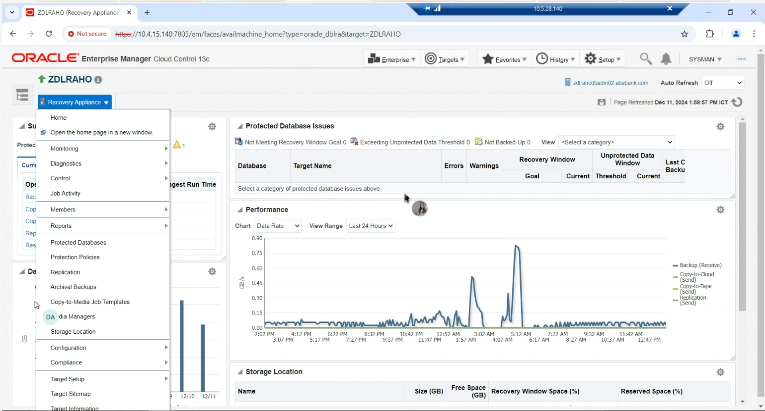
2 | On the Recovery Appliance Home page, from the Recovery Appliance menu, select Copy-To-Media Job Templates. The Copy-to-Media Job Templates page appears. | 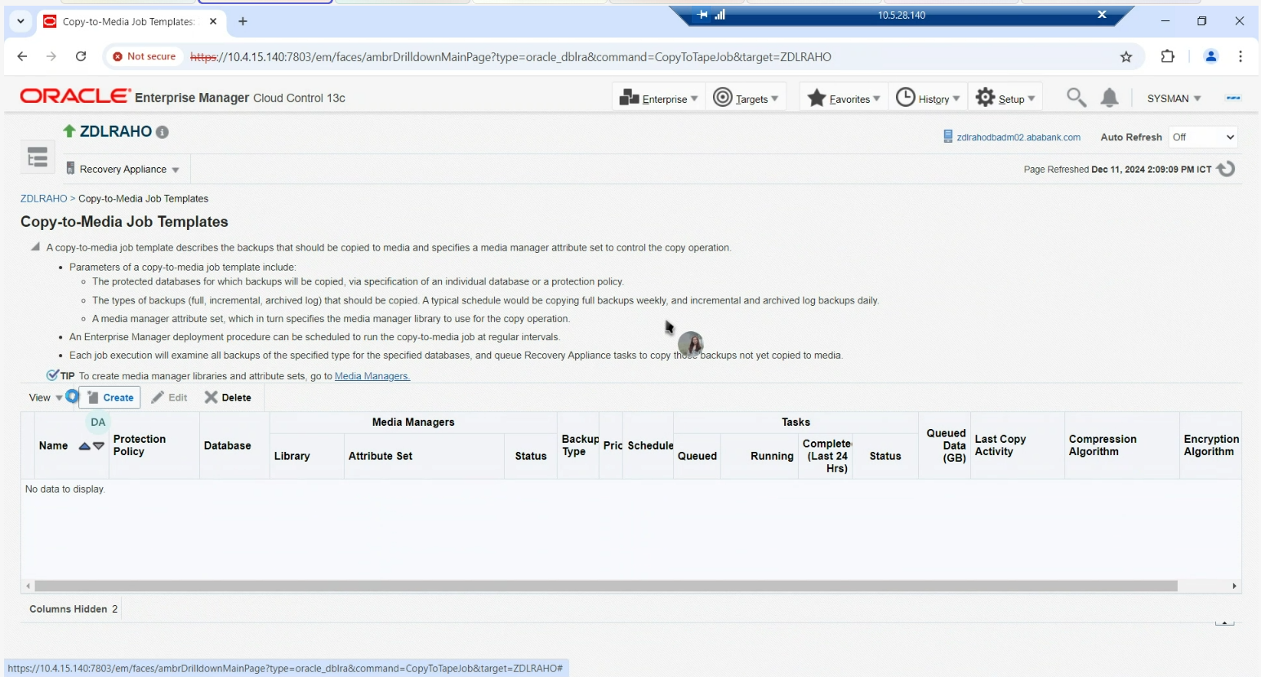
3 | Click Create to create a new media backup job. The Create Copy-to-Media Job Template page appears. This page displays the job properties and schedule settings. | 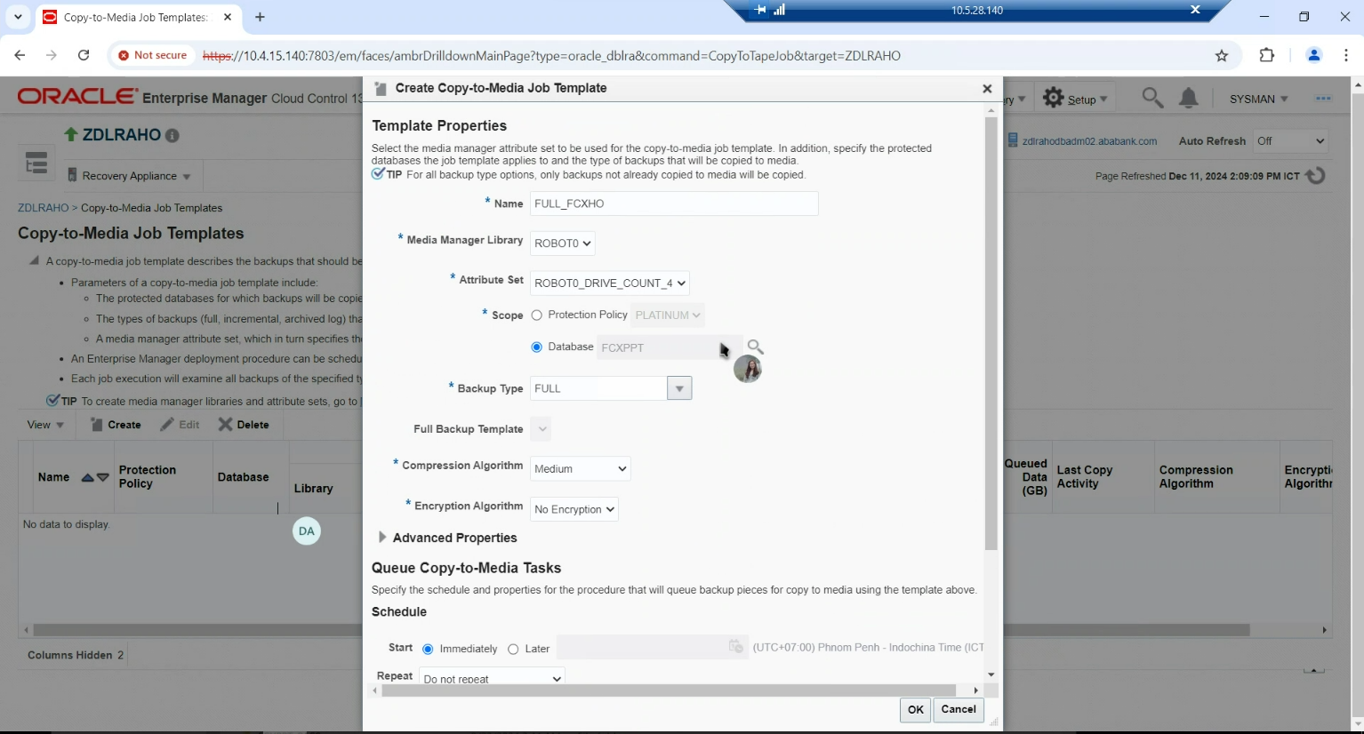
4 | In the Name field, enter a name for the job.
5 | Optionally, from the Media Manager Library drop-down list, select a media manager library that will manage this job.
6 | From the Attribute Set drop-down list, select an attribute set that you want to use for this job. This attribute set will define the settings for your tape backup job.
7 | In the Scope field, add one of the following: - Select the protection policy from the Protection Policy drop-down list that includes all the databases for which you want to copy the backups to tape. - Search for and select a single database for which you want to copy the backups to tape.
8 | In the Backup Type field, select the type of backup to be copied. Options include: Full backup, Incremental Backup, and Archived Log.
9 | (Optional) In the Advanced Properties area, use the Priority drop-down to specify the priority for this job. The default job priority is Medium.
10 | Under the Schedule section, specify whether you want this job to run immediately or at a later specified time.
11 | In the Properties section, you can specify optional properties that are applied to the backup pieces being copied to media. These include Format, Autobackup Prefix, and Tag.
12 | Click OK. Cloud Control displays a message notifying that your job request has been submitted successfully. You can click the job name in the message to check the queued backup images for this job. | 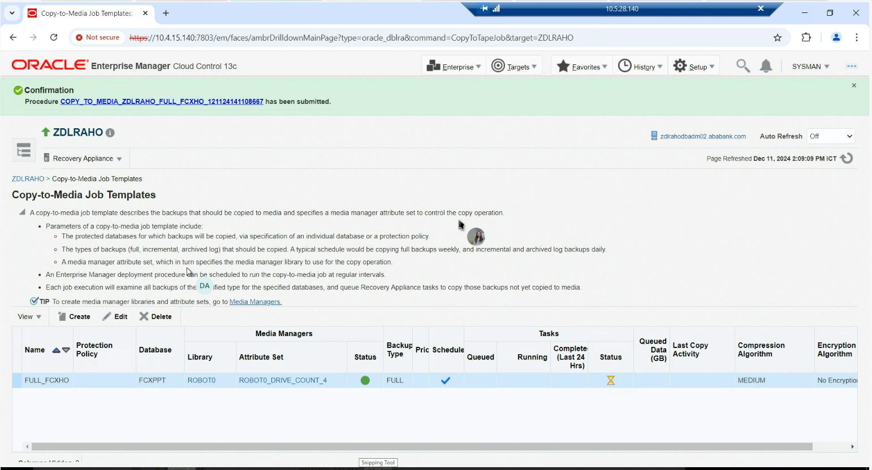
13 | You can monitor Copy-to-tape job by Queued, Running and Complete (Last 24 Hrs), Status, Queued Data (GB) and Last Copy Activity
14 | You can monitor OSB activity by using obtool on CLI on ZDLRA server | obtool lsjob, catxcr, lspiece, lsbkup

